Application Screen
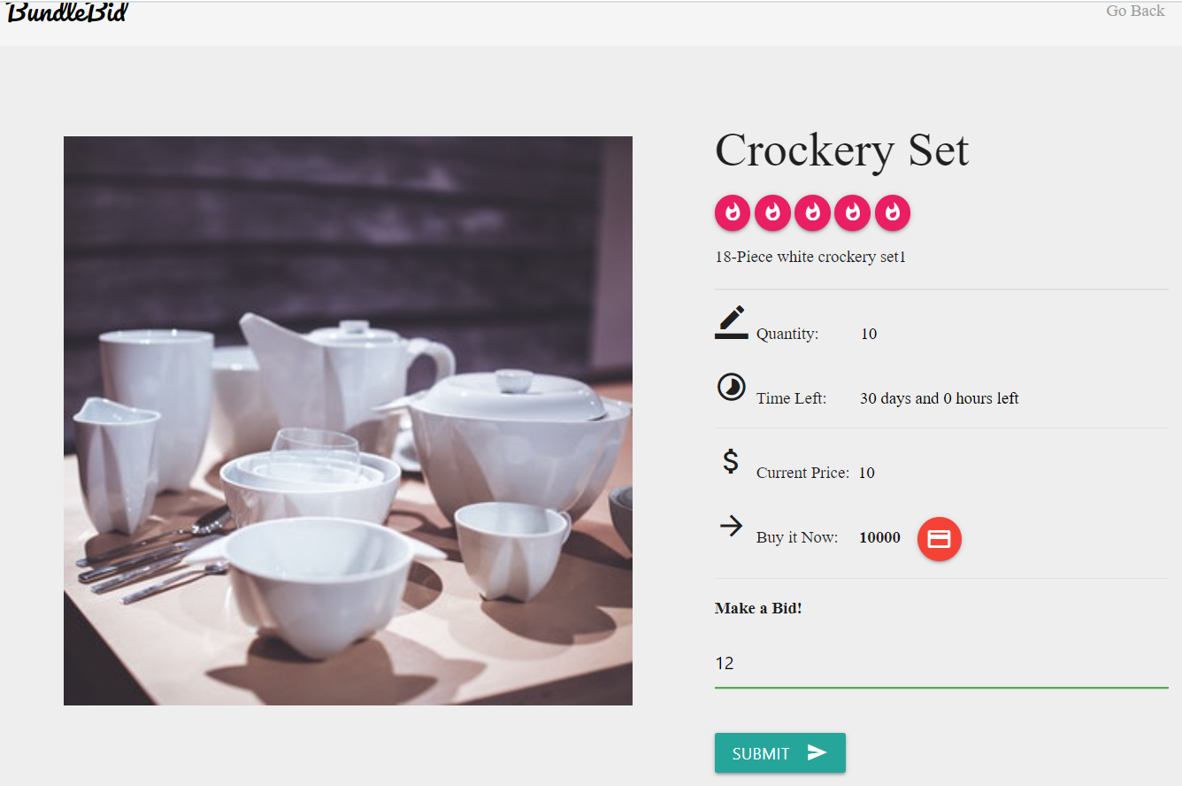
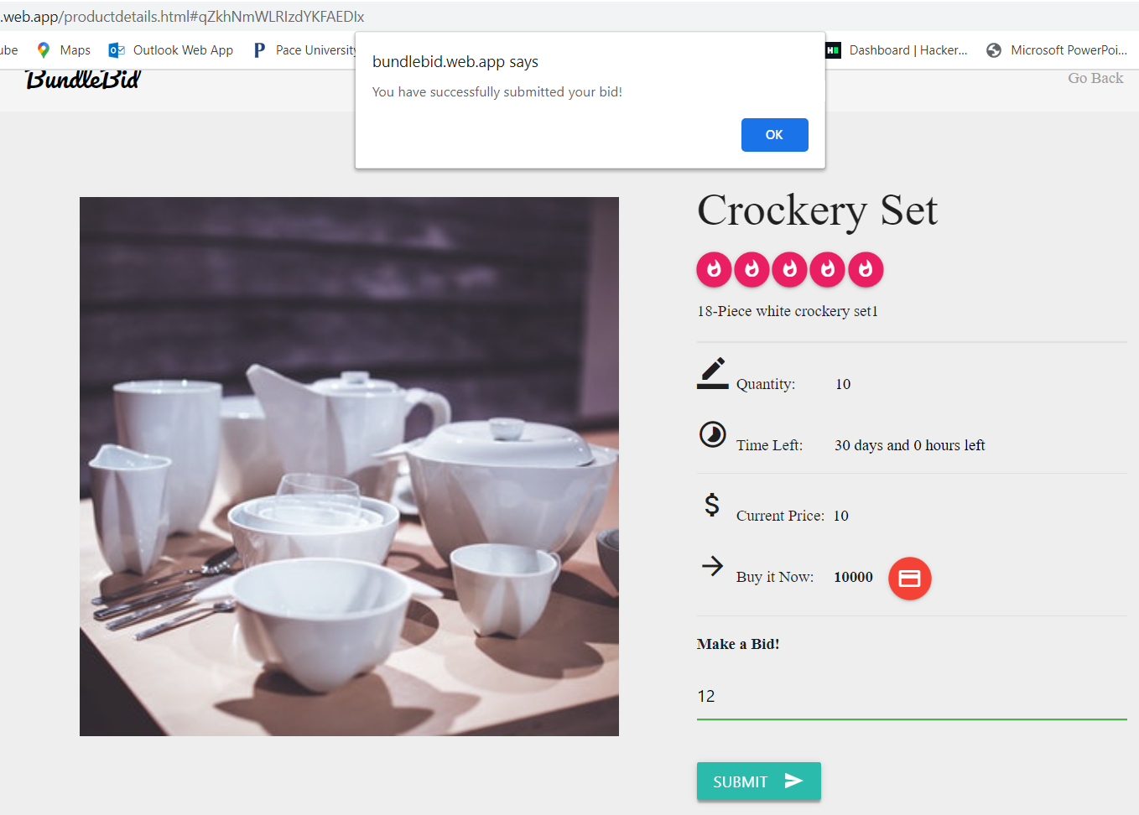

Test Case 5
Data Flow Out
TC Title: | TC05.Submit a Bid - Data Flow Out

TC Objective: | Ensure that submitted bidding price appears on listing product page.

Registered
User
Submit a
Bid
04.01 Submit a
Bid
Update
Database
TC Description
 | Step | Step Description | Expected Results
 | 1 | Select the product for which you want to submit a bid. | System should display product details along with the field to enter bidding price.
D
Product
 | 2 | Enter a bidding price in "Make a Bid!" field. | User must be able to enter valid and accurate bidding price.
Submitted Bid
price should
display
 | 3 | Click on submit button. | System should generate message "Bid submitted Successfully".
 | 4 | Click on "Go Back" Button | User must be redirected to listing history webpage and should be able to view updated starting price of the product.

01.04 Listing
History

Test Case 6
TC Title: | TC6. Submit a Bid - Data Flow In + Core Functionality

Data Flow Diagram
TC Objective: | To test if the submitted bidding price appears correctly on product description page.

Registered
User
01.04 Listing
History
Select a
Product
TC Description
 | Step | Step Description | Expected Results
 | 1 | Select the product for which you want to submit a bid. | System should display product details along with the field to enter bidding price.
 | 2 | Enter a bidding price in "Make a Bid!" field. | User must be able to enter valid and accurate bidding price.
 | 3 | Click on submit button. | System should generate message "Bid submitted Successfully".
Updated starting
price should
display
 | 4 | Click on "Go Back" Button | User must be redirected to listing history webpage.
 | 5 | Click on the product for which you submit the bid. | User should be redirected to product description page and should be able view the updated start price of product.

04.01 Submit a
Bid

